Order
LOVELAB — [CLIENT NAME] [PACK #]
Date: [DATE] | Packaging: [COLOR] | Order by: [NAME]

NO. | QUANTITY | COLLECTION | CARAT (CT) | SHAPE | SETTING | COLOR | SIZE | MATERIAL | COLOR CORD | UNIT PRICE (EUR) | TOTAL (EUR) | PRODUCT PHOTO | CERTIFICATE
1 | 1 | CUTY | 0.05 | — | — | White | M | Nylon | Red | 30 | 30 | 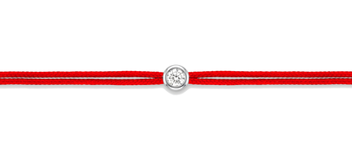 | IGI
2 | 1 | CUTY | 0.05 | — | — | White | M | Nylon | Bordeaux | 30 | 30 | 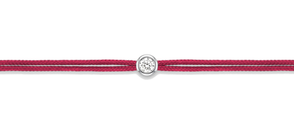 | IGI
3 | 1 | CUTY | 0.05 | — | — | White | M | Nylon | Dark Pink | 30 | 30 | 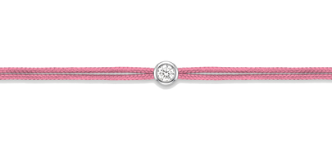 | IGI
4 | 1 | CUTY | 0.05 | — | — | White | M | Nylon | Light Pink | 30 | 30 | 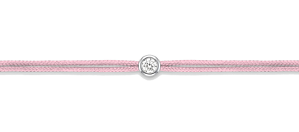 | IGI
5 | 1 | CUTY | 0.05 | — | — | White | M | Nylon | Fluo Pink | 30 | 30 | 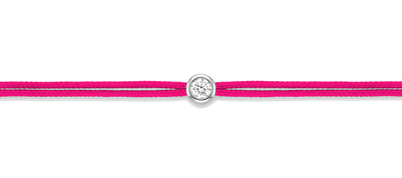 | IGI
6 | 1 | CUTY | 0.05 | — | — | White | M | Nylon | Orange | 30 | 30 | 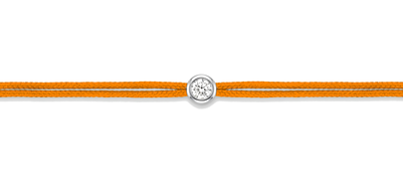 | IGI
7 | 1 | CUTY | 0.05 | — | — | White | M | Nylon | Gold | 30 | 30 | 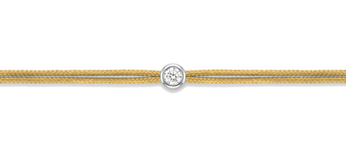 | IGI
8 | 1 | CUTY | 0.05 | — | — | White | M | Nylon | Yellow | 30 | 30 | 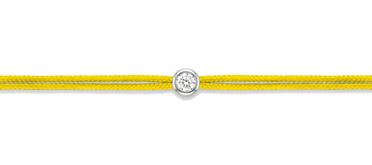 | IGI
9 | 1 | CUTY | 0.05 | — | — | White | M | Nylon | Fluo Yellow | 30 | 30 | 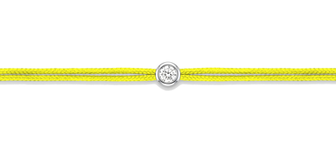 | IGI
10 | 1 | CUTY | 0.05 | — | — | White | M | Nylon | Green | 30 | 30 | 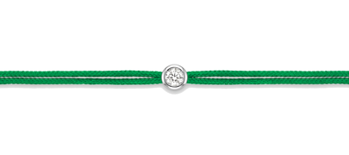 | IGI
11 | 1 | CUTY | 0.05 | — | — | White | M | Nylon | Turquoise | 30 | 30 | 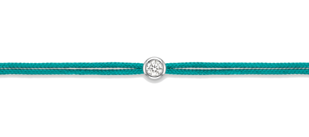 | IGI
12 | 1 | CUTY | 0.05 | — | — | White | M | Nylon | Light Blue | 30 | 30 | 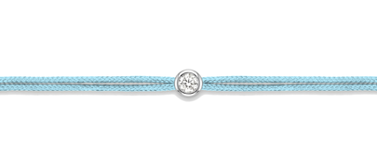 | IGI
13 | 1 | CUTY | 0.05 | — | — | White | M | Nylon | Navy Blue | 30 | 30 | 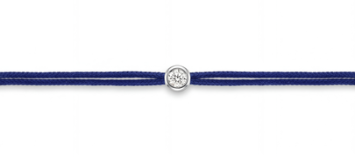 | IGI
14 | 1 | CUTY | 0.05 | — | — | White | M | Nylon | Lilac | 30 | 30 | 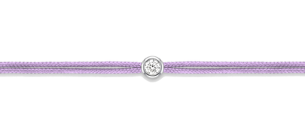 | IGI
15 | 1 | CUTY | 0.05 | — | — | White | M | Nylon | Purple | 30 | 30 | 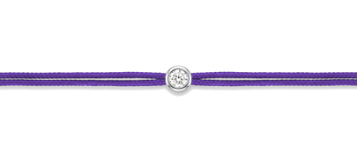 | IGI
16 | 1 | CUTY | 0.05 | — | — | White | M | Nylon | Brown | 30 | 30 | 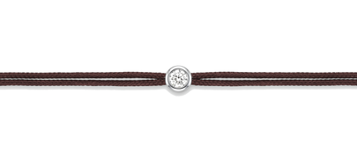 | IGI
17 | 1 | CUTY | 0.05 | — | — | White | M | Nylon | Black | 30 | 30 | 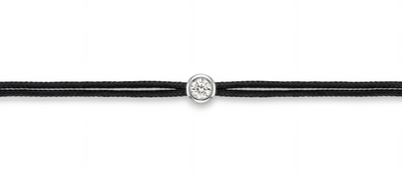 | IGI
18 | 1 | CUTY | 0.05 | — | — | White | M | Nylon | Silver Grey | 30 | 30 | 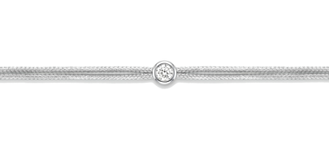 | IGI
19 | 1 | CUTY | 0.05 | — | — | White | M | Nylon | White | 30 | 30 | 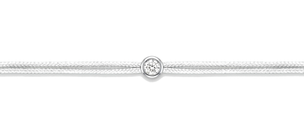 | IGI
20 | 1 | CUTY | 0.05 | — | — | White | M | Nylon | Ivory | 30 | 30 | 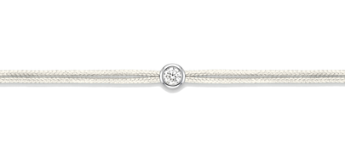 | IGI
21 | 1 | CUTY | 0.1 | — | — | Yellow | M | Nylon | Red | 40 | 40 | 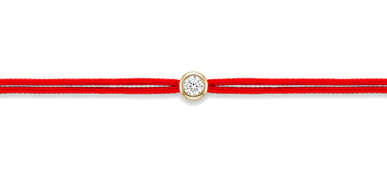 | IGI
22 | 1 | CUTY | 0.1 | — | — | Yellow | M | Nylon | Bordeaux | 40 | 40 | 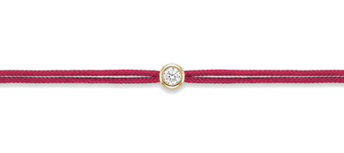 | IGI
23 | 1 | CUTY | 0.1 | — | — | Yellow | M | Nylon | Dark Pink | 40 | 40 | 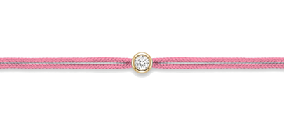 | IGI
24 | 1 | CUTY | 0.1 | — | — | Yellow | M | Nylon | Gold | 40 | 40 | 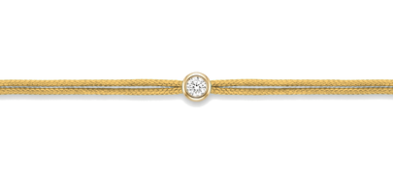 | IGI
25 | 1 | CUTY | 0.1 | — | — | Yellow | M | Nylon | Navy Blue | 40 | 40 | 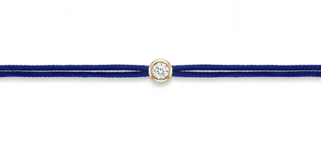 | IGI
26 | 1 | CUTY | 0.1 | — | — | Yellow | M | Nylon | Lilac | 40 | 40 | 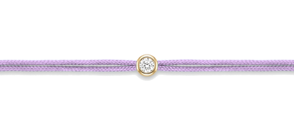 | IGI
27 | 1 | CUTY | 0.1 | — | — | Yellow | M | Nylon | Black | 40 | 40 | 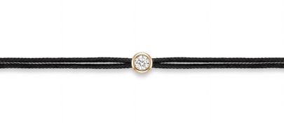 | IGI
28 | 1 | CUTY | 0.1 | — | — | Yellow | M | Nylon | Silver Grey | 40 | 40 | 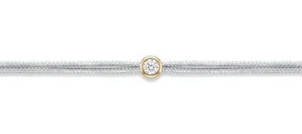 | IGI
29 | 1 | CUBIX | 0.05 | — | — | White | S/M | Nylon | Bordeaux | 30 | 30 | 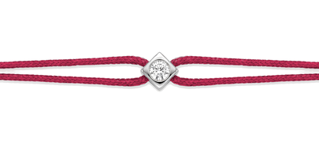 | IGI
30 | 1 | CUBIX | 0.05 | — | — | White | S/M | Nylon | Dark Pink | 30 | 30 | 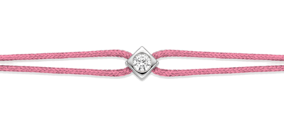 | IGI
31 | 1 | CUBIX | 0.05 | — | — | White | S/M | Nylon | Gold | 30 | 30 | 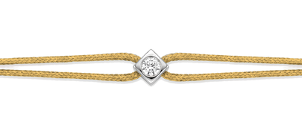 | IGI
32 | 1 | CUBIX | 0.05 | — | — | White | S/M | Nylon | Navy Blue | 30 | 30 | 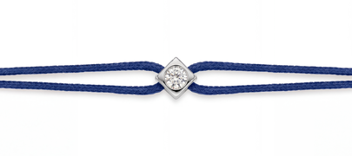 | IGI
33 | 1 | CUBIX | 0.05 | — | — | White | S/M | Nylon | Lilac | 30 | 30 | 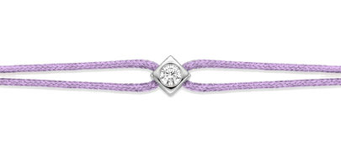 | IGI
34 | 1 | CUBIX | 0.05 | — | — | White | S/M | Nylon | Black | 30 | 30 | 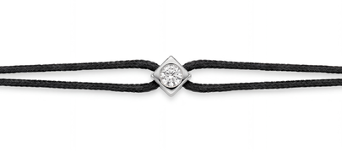 | IGI
35 | 1 | CUBIX | 0.05 | — | — | White | S/M | Nylon | Silver Grey | 30 | 30 | 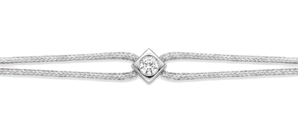 | IGI
36 | 1 | CUBIX | 0.05 | — | — | White | S/M | Nylon | Red | 30 | 30 | 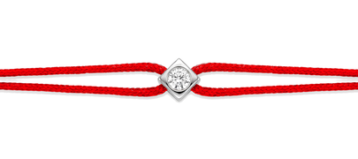 | IGI
37 | 1 | CUBIX | 0.1 | — | — | Yellow | S/M | Nylon | Bordeaux | 40 | 40 | 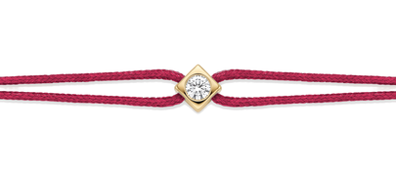 | IGI
38 | 1 | CUBIX | 0.1 | — | — | Yellow | S/M | Nylon | Light Pink | 40 | 40 | 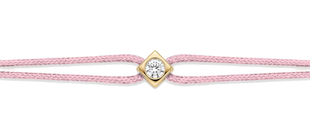 | IGI
39 | 1 | CUBIX | 0.1 | — | — | Yellow | S/M | Nylon | Gold | 40 | 40 | 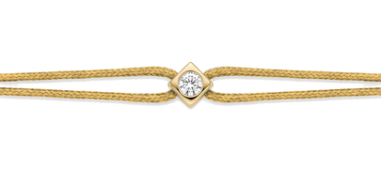 | IGI
40 | 1 | CUBIX | 0.1 | — | — | Yellow | S/M | Nylon | Navy Blue | 40 | 40 | 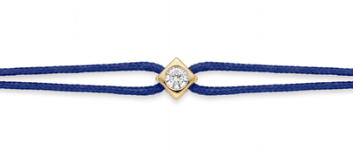 | IGI
41 | 1 | CUBIX | 0.1 | — | — | Yellow | S/M | Nylon | Lilac | 40 | 40 | 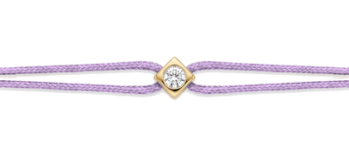 | IGI
42 | 1 | CUBIX | 0.1 | — | — | Yellow | S/M | Nylon | Black | 40 | 40 | 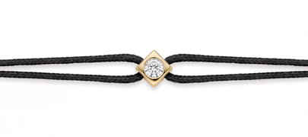 | IGI
43 | 1 | CUBIX | 0.1 | — | — | Yellow | S/M | Nylon | Silver Grey | 40 | 40 | 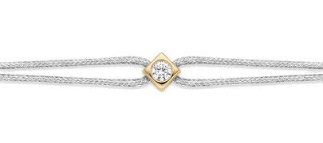 | IGI
44 | 1 | CUBIX | 0.1 | — | — | Yellow | S/M | Nylon | Red | 40 | 40 | 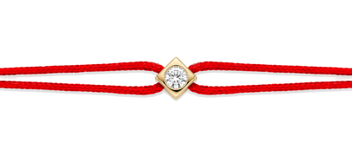 | IGI
45 | 1 | MULTI THREE | 0.15 | — | F | YYY | M | Nylon | Bordeaux | 65 | 65 | 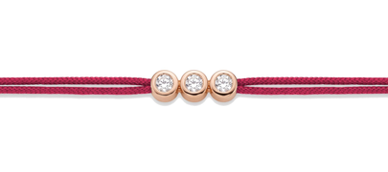 | IGI
46 | 1 | MULTI THREE | 0.15 | — | LO | YWP | M | Nylon | Gold | 65 | 65 | 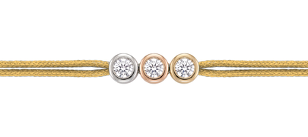 | IGI
47 | 1 | MULTI THREE | 0.15 | — | F | PPP | M | Nylon | Black | 65 | 65 | 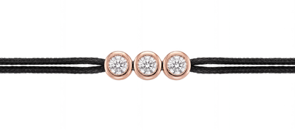 | IGI
48 | 1 | MULTI THREE | 0.15 | — | F | WWW | M | Nylon | Gold | 65 | 65 | 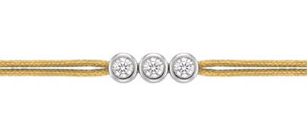 | IGI
49 | 1 | MULTI THREE | 0.3 | — | F | YYY | M | Nylon | Bordeaux | 95 | 95 |  | IGI
50 | 1 | MULTI THREE | 0.3 | — | LO | YWP | M | Nylon | Gold | 95 | 95 |  | IGI
51 | 1 | MULTI THREE | 0.3 | — | F | WWW | M | Nylon | Black | 95 | 95 | 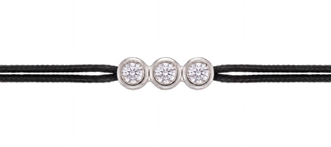 | IGI
52 | 1 | MULTI THREE | 0.3 | — | LO | WWW | M | Nylon | Gold | 95 | 95 |  | IGI
 |  |  |  |  |  |  |  |  |  | FINAL TOTAL (EUR) | 2120

